Sheet1
 | Purpose | Component | Derived Data | Number | Specifications |  | Placement | Part Name | Vendors | Part Links | Price | Accuracy | Output Type | Manufacturer Lead Time | Current Supply | Voltage - Supply | Operating Temperature | Datasheet | Ref Links
1 | Measure Torque, Thrust | Load cells (Parallelogram Bending beam type) | Mechanical power Electrical power Propeller efficiency Motor efficiency System efficiency | 3 | Max thrust | 5 kgf / 11.023 lb | 1 or more load cells (summed) at a rigid frame directly below the drone, aligned vertically. | TAL220B - SEN-14729 Miniature Load Cell - 5 kg | Digikey | https://www.digikey.in/en/products/detail/sparkfun-electronics/SEN-14729/9555603 | ₹1,086.86 | ±0.05% | Analog | 6 Weeks |  | 3V ~ 10V | -10°C ~ 55°C | https://cdn.sparkfun.com/assets/e/5/f/5/6/TAL220B.pdf | digikey, mouser, rs components
 |  |  |  |  | Max torque | 2 Nm / 19.6 kgm / 43.211 lbm | 2 load cells positioned on opposite sides of the motor shaft, alligned horizontally, captures pure torque. | TAL220B - SEN-14729 Miniature Load Cell - 2 kg | Digikey | https://www.digikey.in/en/products/detail/sparkfun-electronics/SEN-14729/9555603 |  |  |  |  |  |  |  |  | http://www.lct2003.com/load-cell/lct-digital-load-cell.html
 |  |  |  |  | Max voltage | 50 -60 V | Cable
 |  |  |  |  | Max current (continuous) | 55 A | Ammeter or current clamp meter
 |  |  |  |  | Measurement rate | Up to 80 Hz
 |  | Load Cell Amplifier HX711 |  |  |  |  |  | 1568-1436-ND SEN-13879 | Digikey | https://www.digikey.in/en/products/detail/sparkfun-electronics/SEN-13879/6202732 | ₹907.1 |  | Digital |  | 1.5 mA | 2.6V ~ 5.5V | -45°C ~ 85°C |  | Input Type - External Input
 | Measure Motor RPM | Optical Tachometer using IR sensor | Electrical RPM, divide by the number of motor poles to obtain true mechanical RPM. | 1 |  |  | On the testbench behind the motor | 38KHz Infrared Transmit and Receiver Sensor Modules |  | https://robu.in/product/38khz-infrared-transmit-sensor-module/ |  |  | Analog |  | 20 mA | 1.1-1.5 V |  |  | https://www.instructables.com/Measure-RPM-DIY-Portable-Digital-Tachometer/
 |  |  |  |  |  |  |  |  |  | https://robu.in/product/infrared-receiver-module-arduino/ |  |  | Analog |  |  | 2.7 ~ 5.5 |  |  | https://how2electronics.com/digital-tachometer-ir-sensor-arduino/
3 |  | Reflective Tapes |  | 3 |  |  | On the motor in field of view of tachometer
 |  | Hall Sensor |  | 1 |  |  | On the testbench behind the motor | Honeywell ss461A | Digikey | https://www.digikey.in/en/products/detail/honeywell-sensing-and-productivity-solutions/SS461A/701358 | ₹462.25000 |  | Open Collector | 10 weeks | 10mA | 3.8V ~ 30V | -40°C ~ 150°C (TA) | https://prod-edam.honeywell.com/content/dam/honeywell-edam/sps/siot/en-us/products/sensors/magnetic-sensors/common/documents/sps-siot-hall-effect-digital-position-ics-ss400-series-ss500-series-datasheet-32320997-b-en-ciid-143161.pdf
 |  | Neodymium Magnet |  | 3 |  |  | attached to motor shaft | 8008 | Digikey | https://www.digikey.in/en/products/detail/radial-magnets-inc/8008/2810361
4 | Measure temperature of motor, ESC, battery, ambient | Thermocouple/RTD/Thermistor |  | 2 | Range | Motor, Battery spec sheet | Attached externally to propeller and internally to motor |  |  | https://www.omega.com/en-us/temperature-measurement/temperature-surface-sensors/sa2/p/SA2C-T https://www.omega.com/en-us/colorcodes
5 | Controller | Arduino |  | 1 |  |  |  | Arduino Uno
6 | Control power given to motor and hence its speed | ESC (Electronic Speed Control) |  | 1 |  |  | Between battery and motor in the circuit, processor controls the ESC |  |  | https://youtu.be/G9PHqN9vmVI |  |  |  | Back EMF, Calibration of v and i - loadbank, Controller
8 | Measures Current consumed and Voltage supply | Voltmeter Ammeter |  | 1 | Range | 0-100 V output 1-100A Output | In power supply cable |  | Amazon | https://www.amazon.in/Scriptronics-Voltmeter-Ammeter-Multimeter-Detector/dp/B08MWRZP2G/ref=sr_1_6?crid=15VE4BPQV4MZE&keywords=Amp%2BPanel%2BMeter&qid=1685940406&sprefix=amp%2Bpanel%2Bmeter%2Caps%2C981&sr=8-6&th=1 | ₹599. |  |  | 2 days |  | 5 V DC
10 |  |  |  |  |  |  |  |  | Robu | https://robu.in/product/0-28-inch-digital-voltmeter-ammeter-dc-100v-100a-led-amp-volt-meter-shunt-red-blue/ | ₹ 690.00

 |  | Multiplexer
 | Upto 1200 W, max 60 V, 30 A current | Benchtop supply |  | 1 | Voltage output | 3.3, 5, 12, -12V |  | FSP1200-50ADB | Digikey | https://www.digikey.in/en/products/detail/fsp-technology-inc/FSP1200-50ADB/16164267?s=N4IgTCBcDaIEYFMB2BjAFgFwPYAcAEAzgK444A2AnngIxgAMdeA6iALoC%2BQA | ₹23,857.92 |  |  | 20 weeks |  |  |  | https://www.fsp-group.com/download/pro/FSP1200-50ADB_Datasheet.pdf
 |  |  |  |  | Current Output | 30, 30, 100A, 800mA

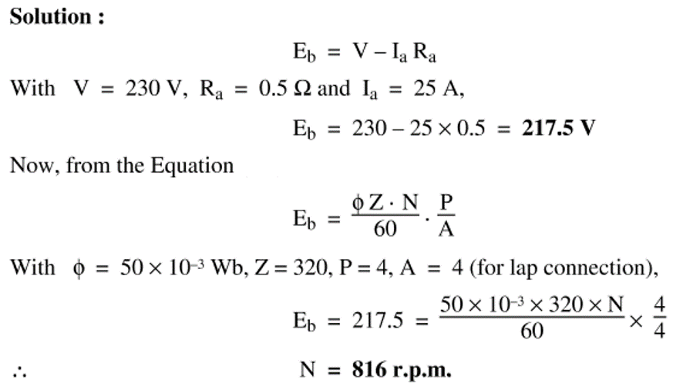
 | To calculate rpm | Back EMF | Supplied voltage - (Current* internal resistance of motor) | Motor Speed = Back EMF/(Constant*Magnetic Flux); N = Eb/(K*Φ) |  |  |  |  |  | https://phys.libretexts.org/Bookshelves/University_Physics/Book%3A_Introductory_Physics_-_Building_Models_to_Describe_Our_World_(Martin_Neary_Rinaldo_and_Woodman)/23%3A_Electromagnetic_Induction/23.03%3A_Back_EMF_in_an_electric_motor https://www.calculatoratoz.com/en/shunt-dc-motor-speed-using-back-emf-calculator/Calc-3227#:~:text=Motor%20Speed%20%3D%20Back%20EMF%2F%20%28Constant%2AMagnetic%20Flux%29%20N,%3D%20Eb%2F%20%28K%2A%CE%A6%29%20This%20formula%20uses%204%20Variables https://youtu.be/On9jgL5pAB0
 | To calculate Acceleration using RPM |  | A = RPM * pi * 2 / 60 * r
 |  |  | r = radius
 |  | Purpose | Software
 |  | Data Acquisition | DAQ Software (similar to RCBenchmark) | NI Labview, with control system

